MOH
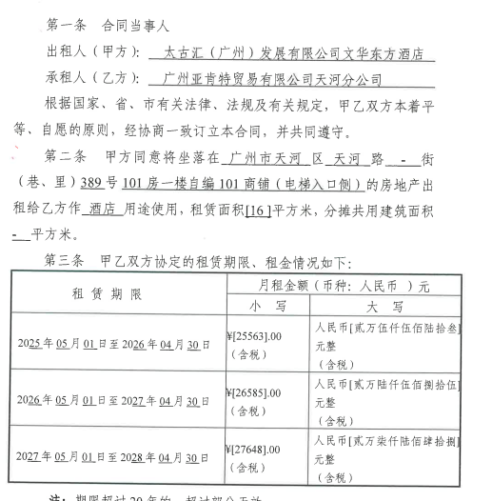
广州亚肯特贸易有限公司天河分公司

 | 截止 As at : | Oct-2026

BU | Floor | Area | May-2026 | Jun-2026 | Jul-2026 | Aug-2026 | Sep-2026 | Oct-2026 | Nov-2026 | Dec-2026 | Jan-2027 | Feb-2027 | Mar-2027 | Apr-2027 | May-2027 | May-2028 | Jun-2028 | Jul-2028 | Aug-2028
MOH | 1/F | 16平方 | 26,585.00 | 26,585.00 | 26,585.00 | 26,585.00 | 26,585.00 | 26,585.00 | 26,585.00 | 26,585.00 | 26,585.00 | 26,585.00 | 26,585.00 | 26,585.00 | 27,648.00

房产税（从租）审核底稿
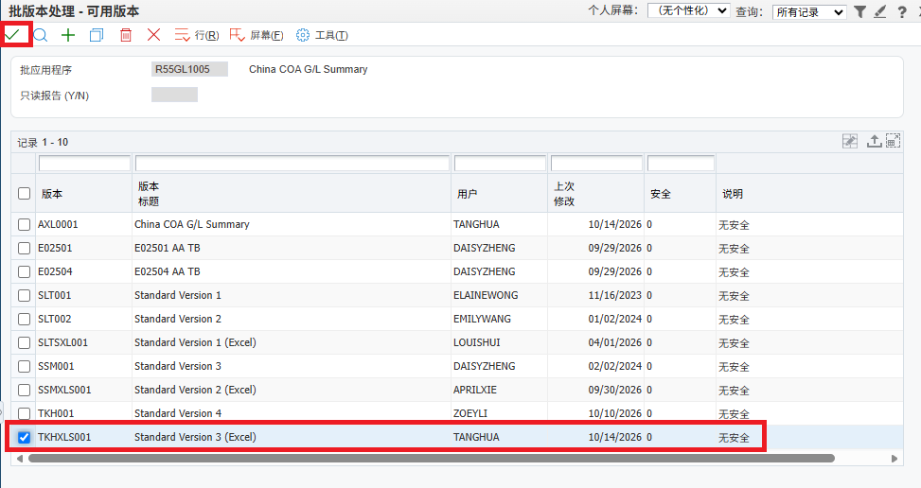

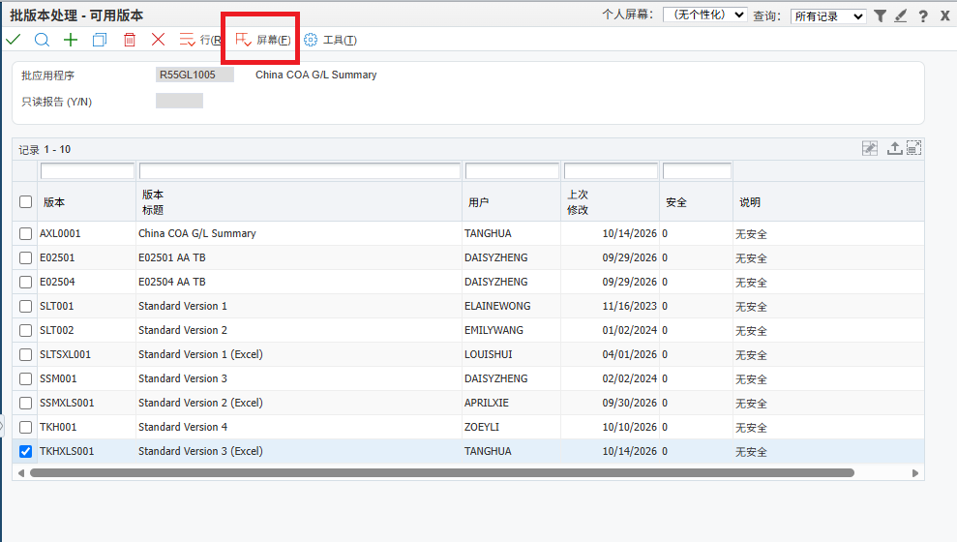
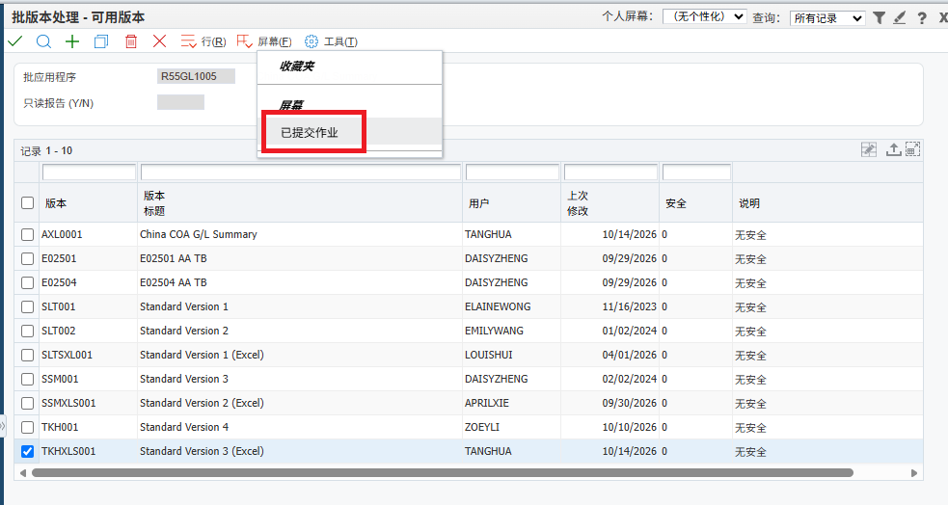
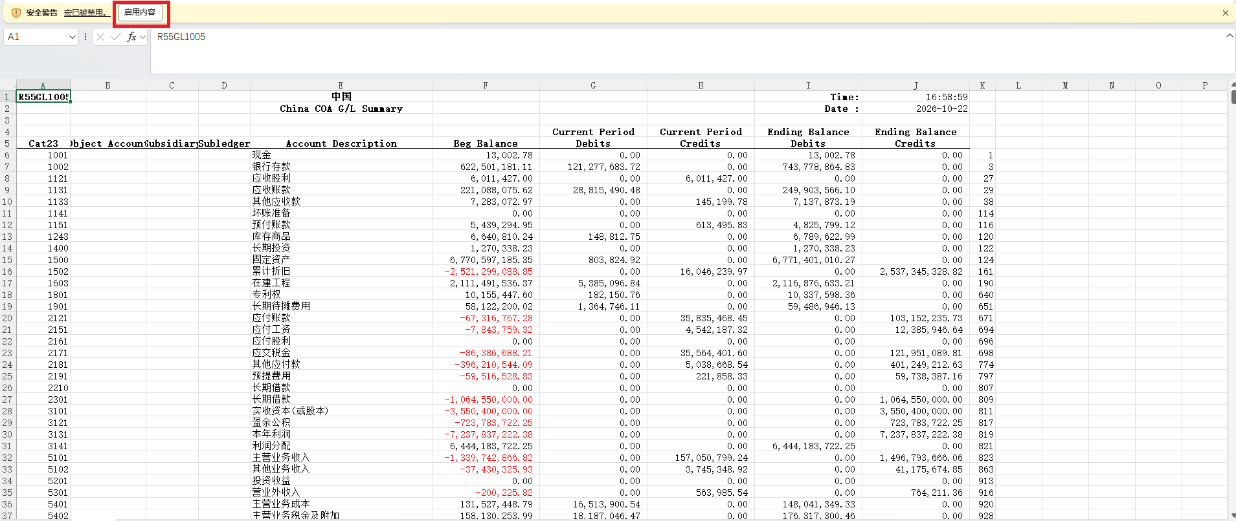
 | 太古汇（广州）发展有限公司
 | 房产税-从租（月）计税表
 | 会计期间： | 2026-09-01

 |  |  |  |  | Current Period | Current Period | 本月发生额 |  | Check:
Cat23 | Object Account | Subsidiary | Subledger | Account Description | Debits | Credits | Credits-Debits
5101 |  |  |  | 主营业务收入 | 0.00 | 157,050,799.24 | 157,050,799.24 | 1) | 主营业务收入 | 157,050,799.24
 | 650100 |  |  | GROSS HOTEL REVENUE | 0.00 | 20,048,495.73 | 20,048,495.73 | 2) | 其他业务收入 | 3,745,348.92
 | 810100 | 1 |  | BASE RENT - OFFICE | 0.00 | 20,988,932.92 | 20,988,932.92 | 3) | 不计算房产税-从租科目 | 42,439,161.52
 | 810100 | 2 |  | BASE RENT - RETAIL | 0.00 | 68,351,416.00 | 68,351,416.00 | 4) | 计算房产税-从租科目 | 118,356,986.64
 | 810100 | 4 |  | BASE RENT - RESIDENTIAL | 0.00 | 1,144,578.95 | 1,144,578.95 | 5) | MOH | 26,585.00
 | 810100 | 99 |  | BASE RENT - OTHERS | 0.00 | 0.00 | 0.00
 | 810200 | 1 |  | TURNOVER RENT - RETAIL | 0.00 | 24,530,858.00 | 24,530,858.00 |  | Diff | -
 | 810300 | 1 |  | SERVICE CHARGES - OFFICE | 0.00 | 5,667,991.25 | 5,667,991.25
 | 810300 | 2 |  | SERVICE CHARGES - RETAIL | 0.00 | 13,589,016.00 | 13,589,016.00
 | 810400 | 1 |  | AIR-CONDITIONING - OFFICE | 0.00 | 0.00 | 0.00
 | 810400 | 2 |  | AIR-CONDITIONING - RETAIL | 0.00 | 0.00 | 0.00 | 操作说明：
 | 810500 | 1 |  | ADD'L AIR-CON - OFFICE | 0.00 | 301,151.00 | 301,151.00 | 1.导出R55GL1005报表保存在Sheet R55GL1005
 | 810500 | 2 |  | ADD'L AIR-CON - RETAI | 0.00 | 111,785.50 | 111,785.50 | 2.将R55GL1005中的“主营业务收入“和”其他业务收入”全部科目写入“房产税（从租）审核底稿B7单元格
 | 810700 |  |  | ADMINISTRATIVE FEE | 0.00 | 92,605.49 | 92,605.49 | 3.计算出本月发生额I列
 | 811010 | 1 |  | MONTHLY PARKING | 0.00 | 1,744,345.40 | 1,744,345.40 | 4.单元格N8:N12自动计算相关金额
 | 811010 | 6 |  | PARKING COUPONS / COMPLIMENTAR | 0.00 | 0.00 | 0.00 | 5.单元格N14出现差异，需要复核单元格N10是否增加新科目。
 | 812600 | 1 |  | CHILLED WATER CHARGE - OFFICE | 0.00 | 214,822.00 | 214,822.00 | *本表需要根据每月下载R55GL1005中”主营业务收入"和“其他业务收入”实际数据扩充
 | 812600 | 2 |  | CHILLED WATER CHARGE - RETAIL | 0.00 | 264,801.00 | 264,801.00
 | 812700 | 2 |  | ABATEMENT/DISCOUNT - RETAIL | 0.00 | 0.00 | 0.00 | 导出R55GL1005报表步骤：
 | 812710 | 2 |  | ABATEMENT/DISCOUNT-SP (RETAIL) | 0.00 | 0.00 | 0.00
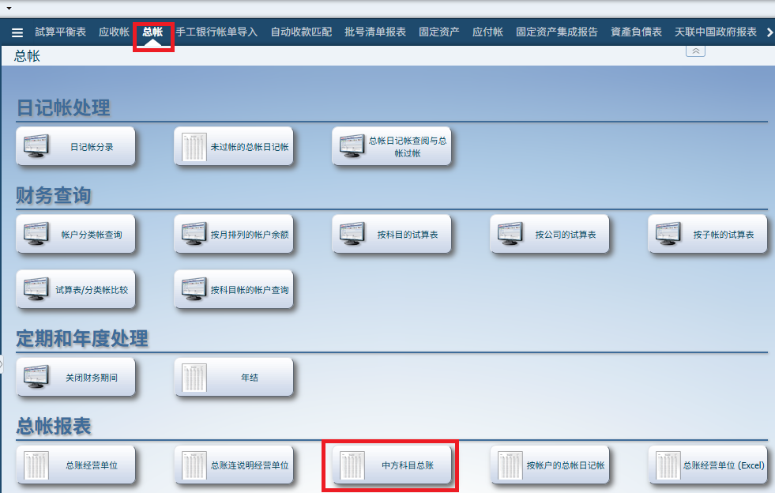
 | 813500 | 1 |  | RENT FREE - BASE RENT | 0.00 | 0.00 | 0.00
 | 813600 | 2 |  | RENT CONCESSION - SERVICE CHAR | 0.00 | 0.00 | 0.00
 | 813650 | 1 |  | RENTAL CONCESSION ADJUSTMENT | 0.00 | 0.00 | 0.00
5102 |  |  |  | 其他业务收入 | 0.00 | 3,745,348.92 | 3,745,348.92
 | 629900 |  |  | OTHER INCOME | 0.00 | 0.00 | 0.00
 | 811200 | 1 |  | PROMOTIONAL REV-THIRD PA (11%) | 0.00 | 153,037.32 | 153,037.32
 | 811200 | 2 |  | PROMOTIONAL REV-OTHERS (11%) | 0.00 | 7,000.00 | 7,000.00
 | 811200 | 3 |  | PROMOTIONAL REV-THIRD PA (6%) | 0.00 | 0.00 | 0.00
 | 811200 | 4 |  | PROMOTIONAL REV-OTHERS (6%) | 0.00 | 56,000.00 | 56,000.00
 | 812300 | 1 |  | FORFEITED DEPOSIT-OFFICE (11%) | 0.00 | 0.00 | 0.00
 | 812300 | 2 |  | FORFEITED DEPOSIT-RETAIL (11%) | 0.00 | 0.00 | 0.00
 | 812300 | 7 |  | FORFEITED DEPOSIT-OFFICE (6%) | 0.00 | 0.00 | 0.00
 | 819900 | 1 |  | SUNDRY INCOME - OFFICE | 0.00 | 0.00 | 0.00
 | 819900 | 2 |  | SUNDRY INCOME - RETAIL | 0.00 | 0.00 | 0.00
 | 819900 | 9 |  | SUNDRY INCOME (11%) | 0.00 | 2,581,397.00 | 2,581,397.00
 | 819900 | 10 |  | SUNDRY INCOME (6%) | 0.00 | 71,841.12 | 71,841.12
 | 819900 | 11 |  | SUNDRY INCOME (17%) | 0.00 | 0.00 | 0.00
 | 819900 | 13 |  | SUNDRY INCOME (13%) | 0.00 | 0.00 | 0.00
 | 819900 | 99 |  | SUNDRY INCOME - OTHERS | 0.00 | 0.00 | 0.00
 | 910297 |  |  | BLDG MAIN-RECOV INCOME | 0.00 | 13,404.00 | 13,404.00
 | 911197 |  |  | UTILITIES-RECOV INCOME | 0.00 | 0.00 | 0.00
 | 911297 |  |  | CLEANING -RECOV INCOME | 0.00 | 278,632.86 | 278,632.86
 | 911597 |  |  | PROMOTION -RECOV INCOME | 0.00 | 0.00 | 0.00
 | 912797 |  |  | TENANCY IMP-RECOV INCOME | 0.00 | 584,036.62 | 584,036.62

房产税（从租）申报底稿
编制单位： | 太古汇（广州）发展有限公司
税种: | 房产税（从租）
所属期： | 2026年7-9月

财产税和行为税纳税申报表

纳税人识别号（统一社会信用代码）：914401017397481643 |  |  |  |  |  |  |  |  | 所属期： | 2026年7-9月
纳税人名称：太古汇（广州）发展有限公司 |  |  |  |  |  |  |  |  |  | 金额单位：人民币元（列至角分） |  | 需求：
序号 | 税种 | 税目 | 税款所属期 起 | 税款所属期 止 | 计税依据 | 税率 | 应纳税额 | 减免税额 | 已缴税额 | 应补（退）税额 |  | 1、采集表：分BU采集季度数据，汇总三个月租金收入。（要机器人自己识别，每一季度去计税底稿取数填报）
1 | 房产税 | 从租计征 | 2026-07-01 | 2026-09-30 | 106,979,145.82 | 0.12 | 12,837,497.50 | - | - | 12,837,497.50 |  | 2、申报表“计税依据”=采集表“申报租金收入合计数”
2 | 合计 | - | - | - | - | - | 12,837,497.50 | - | - | 12,837,497.50 |  | 3、输入的采集日期，申报表与采集表日期一致
声明：此表是根据国家税收法律法规及相关规定填写的，本人（单位）对填报内容（及附带资料）的真实性、可靠性、完整性负责。 |  |  |  |  |  |  |  |  |  |  |  | 4、申报表计税公式： 应纳税额=计税依据*税率（12%）； 应补（退）税额=应纳税额-减免税额-已缴税额

 |  |  |  |  |  | 纳税人（签章）： |  | 年 月 日
经办人： |  |  |  |  |  | 受理人： |  |  |  |  |  | 5、机器人识别所属期的年份，采集表中的”有效起期 “显示为：20XX-1-1，”有效止期“显示为20XX-12-31
经办人身份证号： |  |  |  |  |  | 受理税务机关（章）：国家税务总局广州市税务局第三税务分局税源管理三科
代理机构签章：
代理机构统一社会信用代码： |  |  |  |  |  | 受理日期：

房产税源明细表—从租计征
BU | 房产编号 | 房产名称 | 房产所属主管税务所（科，分局） | 有效起期 | 有效止期 | 承租方纳税人识别号（统一社会作用代码） | 承租方名称 | 出租面积 （建筑面积） | 申报租金收入 | 税款所属期 起 | 税款所属期 止
2504 | F44010320260010791 | 商场——从租 | 国家税务总局广州市税务局第三税务分局税源管理二科 | 2026-01-01 | 2026-12-31 |  |  | 142084 | 84,177,203.50 | 2026-07-01 | 2026-09-30
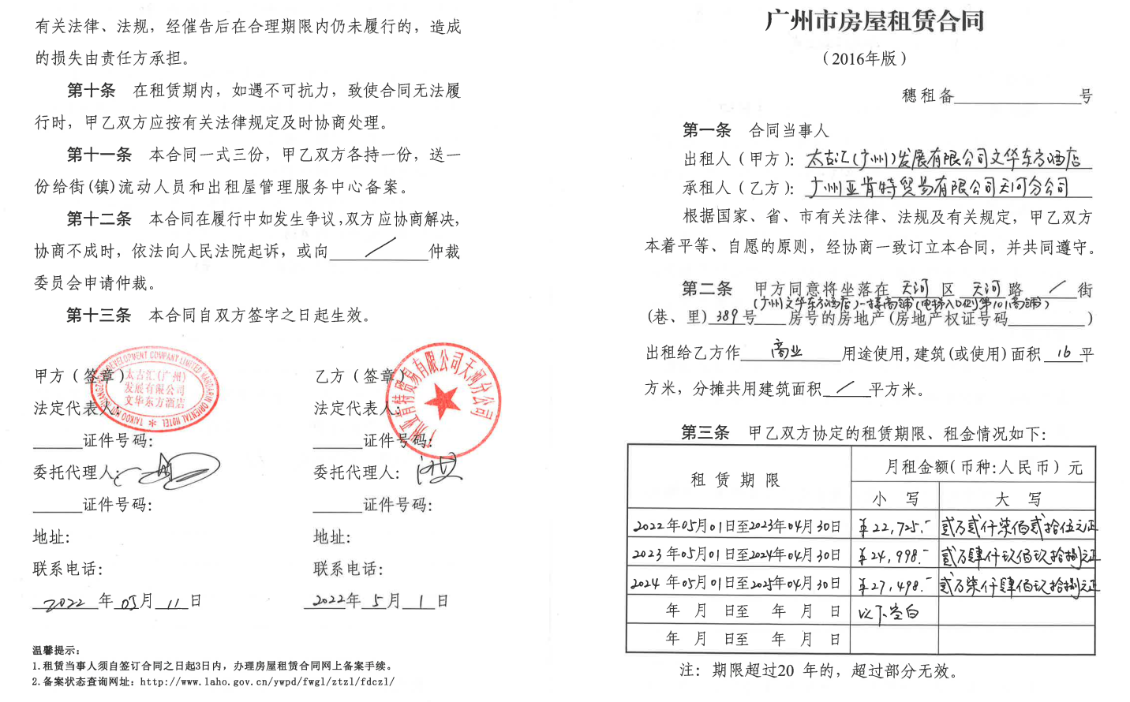
2505 | F44010320260012455 | OT1——从租 | 国家税务总局广州市税务局第三税务分局税源管理二科 | 2026-01-01 | 2026-12-31 |  |  | 95593 | 12,919,482.92 | 2026-07-01 | 2026-09-30
2506 | F44010320260013928 | OT2——从租 | 国家税务总局广州市税务局第三税务分局税源管理二科 | 2026-01-01 | 2026-12-31 |  |  | 61702 | 8,111,529.00 | 2026-07-01 | 2026-09-30
2507 | F44010320260013639 | 停车场——从租 | 国家税务总局广州市税务局第三税务分局税源管理二科 | 2026-01-01 | 2026-12-31 |  |  | 58991 | 1,744,345.40 | 2026-07-01 | 2026-09-30
2508 | F44010320260013042 | 酒店——从租 | 国家税务总局广州市税务局第三税务分局税源管理二科 | 2026-01-01 | 2026-12-31 |  |  | 600 | 26,585.00 | 2026-07-01 | 2026-09-30
合计 |  |  |  |  |  |  |  |  | 106,979,145.82 | 2026-07-01 | 2026-09-30

